CHECK
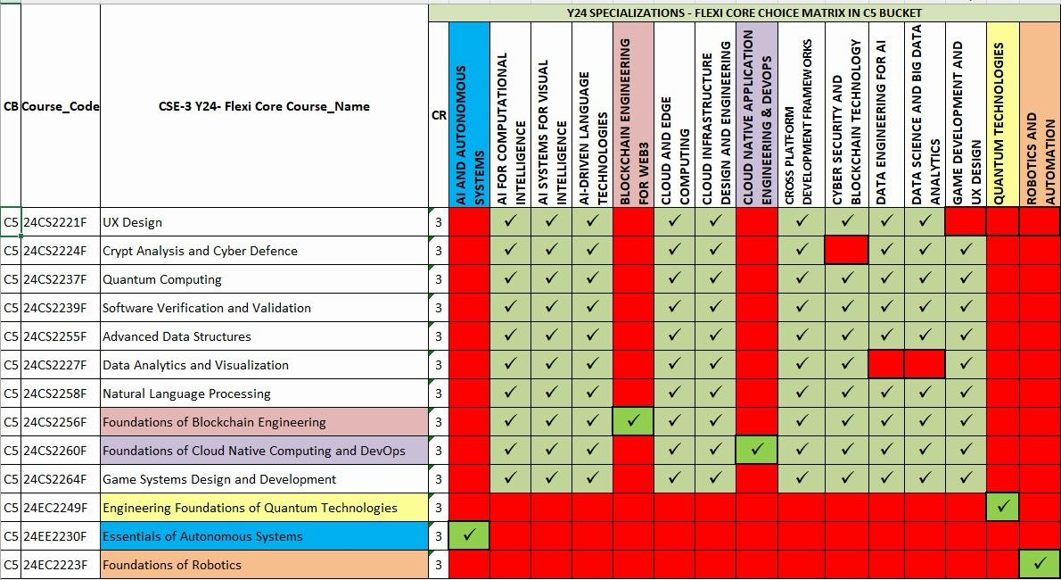
Department of CSE-3 - Acceleration Eligibile List
1 | Student Roll Number | <<Enter Your Roll Number>>
2 | Student Name | #N/A
3 | Department | #N/A
4 | Select Category (Interested in Placement- Choose CRT otherwise Choose Non-CRT) | #N/A
5 | Are you a Day Scholar or Hosteller student? | #N/A
6 | counsellor | #N/A
7 | CGPA | #N/A
8 | Backlogs count | #N/A
10 | Specialization | #N/A
11 | Acceleration | #N/A
12 | Previous semester 2-2 semester registered course | #N/A
13 | Previous semester 2-2 course name | #N/A
NOTE- Please check your previous semester Flexi Core registration and register for a different Flexi Core course as per the Flexi Core table.

